grafico Morkov e MTTF
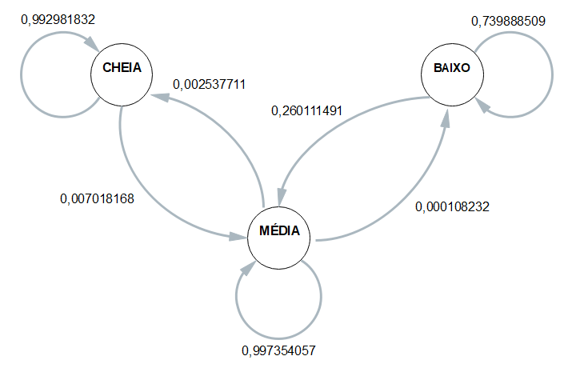
 | ESP1 | ESP2 | ESP3 | ESP4 | MÉDIA
CC | 0.99180327869 | 0.99337748344 | 0.99295774648 | 0.99378881988 | 0.99298183212
CM | 0.0081967213115 | 0.0066225165563 | 0.0070422535211 | 0.0062111801242 | 0.0070181678783
CB | 0 | 0 | 0 | 0 | 0
 | 1 | 1 | 1 | 1 | 1
MC | 0.0044052863436 | 0.0030234315949 | 0.00097444781291 | 0.001747678864 | 0.0025377111538
MM | 0.99548726765 | 0.99686858871 | 0.99891728021 | 0.99814309121 | 0.99735405694
MB | 0.00010744600838 | 0.00010797969982 | 0.00010827197921 | 0.000109229929 | 0.0001082319041
 | 1 | 1 | 1 | 1 | 1
BC | 0 | 0 | 0 | 0 | 0
BM | 0.13651877133 | 0.24764890282 | 0.26315789474 | 0.39312039312 | 0.2601114905
BB | 0.86348122867 | 0.75235109718 | 0.73684210526 | 0.60687960688 | 0.7398885095

 | Esp1 | Esp2 | Esp3 | Esp4 |  | média
Hora Inicial | 9:24:12 | 9:31:34 | 9:36:52 | 9:43:08 |  | 9:33:56
Hora Limite 2,8 | 21:11:18 | 21:17:24 | 21:20:09 | 21:21:46 |  | 21:17:39
Hora final | 21:33:17 | 21:41:19 | 21:45:48 | 21:52:17 | MTTF | 21:43:10
total de horas até 2,8 | 11:47:06 | 11:45:50 | 11:43:17 | 11:38:38 | 11:43:43 | 11:43:43

